photos
Brand | SKU | Style/col | Colour | Description | Season | Parent Group | Product Group | COO | Fabric Comp | Original GBP RRP | Total.Stock | Total retail value
PLT | CNK4084 |  | Black | Black Point Toe Silver Diamante Spiral High Stiletto Over The Knee Boots | AW24 | Footwear | Footwear | CN | Upper: Polyester 100 | Sole: Rubber 100 | £60.00 | 307 | £18,420.00 | 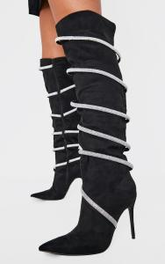
PLT | CNK4091 |  | Pink | Pink Satin Round Toe Cross Strap High Stiletto Heeled Sandals | AW24 | Footwear | Footwear | CN | Upper: Satin 100 | Sole: Rubber 100 | £30.00 | 312 | £9,360.00
PLT | CNK4085 |  | Black | Black Satin Silver Diamante Fringe Mid Stiletto Heeled Mules | AW24 | Footwear | Footwear | CN | Upper: Polyester 100 | Sole: Rubber 100 | £30.00 | 317 | £9,510.00
PLT | CNK4060 |  | Snake Print | Snake Pu Point Toe High Block Heel Ankle Boots | AW24 | Footwear | Footwear | CN | Upper: PU 100 | Sole: Rubber 100 | £50.00 | 306 | £15,300.00 | 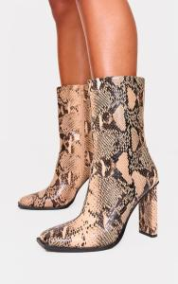
PLT | CNK4028 |  | Red | Cherry Red Pu Point Toe High Stiletto Knee High Boots | AW24 | Footwear | Footwear | CN | Upper: PU 100 | Sole: Rubber 100 | £65.00 | 321 | £20,865.00 | 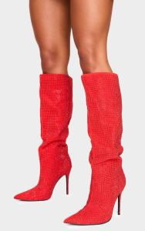
PLT | CNK4038 |  | Olive | Olive Croc PU Asymmetric Strappy High Stiletto Heeled Sandals | AW24 | Footwear | Footwear | CN | Upper: PU 100 | Sole: Rubber 100 | £32.00 | 320 | £10,240.00
PLT | CNK6401 |  | Snake Print | Snake Print PU Point Toe Knee High Boots | AW24 | Footwear | Footwear | CN | Upper: PU 100 | Sole: Rubber 100 | £55.00 | 325 | £17,875.00 | 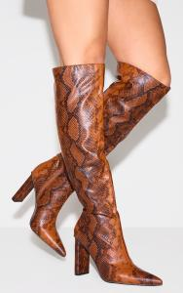
PLT | CNK4081 |  | Black | Black Sequin Point Toe High Stiletto Court Heels | AW24 | Footwear | Footwear | CN | Upper: Polyester 100 | Sole: Rubber 100 | £34.00 | 346 | £11,764.00
PLT | CNL1926 |  | Camel | Camel Faux Suede Point Toe PU Strappy High Stiletto Heeled Sandals | AW24 | Footwear | Footwear | CN | Upper: Polyurethane 100 | Sole: Polyurethane 100 | £24.00 | 349 | £8,376.00
PLT | CNK5681 |  | Black | Black Satin Square Toe Triple Bow Strap Heeled Mules | AW24 | Footwear | Footwear | CN | Upper: Satin 100 | Sole: Rubber 100 | £30.00 | 368 | £11,040.00
PLT | CNK6135 |  | Black | Black Patent PU Square Toe Silver High Stiletto Heeled Sandals | AW24 | Footwear | Footwear | CN | Upper: PU 100 | Sole: Rubber 100 | £30.00 | 385 | £11,550.00
PLT | CNK6094 |  | Black | Black Wide Fit PU Chunky Sole Buckle Ankle Boots | AW24 | Footwear | Footwear | CN | Upper: PU 100 | Sole: Thermoplastic Rubber 100 | £55.00 | 350 | £19,250.00 | 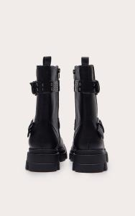
PLT | CNK5614 |  | Black | Black PU Point Toe Low Block Heeled Boots | AW24 | Footwear | Footwear | CN | Upper: PU 100 | Sole: Rubber 100 | £55.00 | 369 | £20,295.00
PLT | CNH2037 |  | Black | Black Pu Croc Round Toe Ruched Knee High Boots | SS25TRANS | Footwear | Footwear | CN | Upper: Synthetic Leather Materials Lining And Sock: Synthetic Materials Outer: Other Synthetic Mater | £55.00 | 357 | £19,635.00
PLT | CNK8792 |  | Cream | Cream Faux Suede Round Toe Buckle Knee High Boots | AW24 | Footwear | Footwear | CN | Upper: PU 100 | Sole: Rubber 100 | £55.00 | 386 | £21,230.00
PLT | CNK6095 |  | Cream | Cream Wide Fit PU Chunky Sole Buckle Ankle Boots | AW24 | Footwear | Footwear | CN | Upper: PU 100 | Sole: Thermoplastic Rubber 100 | £55.00 | 395 | £21,725.00 | 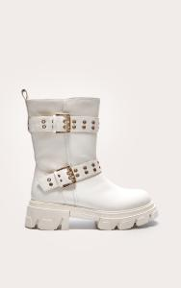
PLT | CNK8608 |  | Camel | Camel Faux Suede Round Toe High Block Heel Knee High Boots | SS25TRANS | Footwear | Footwear | CN | Upper: Polyester 100 | Sole: Rubber 100 | £60.00 | 441 | £26,460.00 | 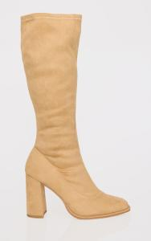
PLT | CMP8430 |  | Black | Black Faux Suede Square Toe Barely There Lace Up High Heeled Sandals | SS25TRANS | Footwear | Footwear | CN | Upper: 100% PU Sole: 100% TPR | £22.00 | 396 | £8,712.00
PLT | CNK5637 |  | Cream | Cream Round Toe Faux Suede Diamante Ankle Boots | AW24 | Footwear | Footwear | CN | Upper: Polyester 100 | Sole: PVC 100 | £30.00 | 448 | £13,440.00 | 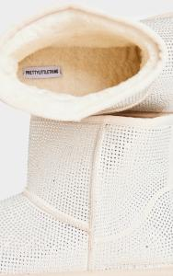
PLT | CNK8567 |  | Brown | Brown Faux Suede Round Toe Buckle Knee High Boots | AW24 | Footwear | Footwear | CN | Upper: Polyester 100 | Sole: Rubber 100 | £55.00 | 468 | £25,740.00 | 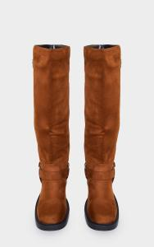
PLT | CNK8690 |  | Black | Black Faux Suede Chunky Sole Block Heel Ankle Boots | AW24 | Footwear | Footwear | CN | Upper: PU 100 | Sole: Rubber 100 | £50.00 | 447 | £22,350.00 | 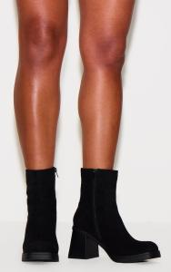
PLT | CNK6128 |  | Leopard | Leopard PU Point Toe Cross Strap High Stiletto Heeled Sandals | AW24 | Footwear | Footwear | CN | Upper: PU 100 | Sole: Rubber 100 | £32.00 | 485 | £15,520.00 | 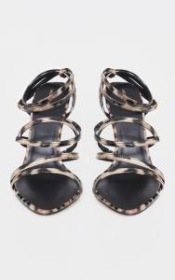
PLT | CNK5505 |  | Black | Black Round Toe Faux Suede Diamante Ankle Boots | AW24 | Footwear | Footwear | CN | Upper: Polyester 100 | Sole: PVC 100 | £50.00 | 487 | £24,350.00 | 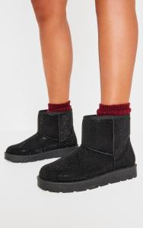
PLT | CNK5504 |  | Stone | Stone Faux Suede Round Toe Ankle Boots | AW24 | Footwear | Footwear | CN | Upper: Polyester 100 | Sole: PVC 100 | £36.00 | 503 | £18,108.00 | 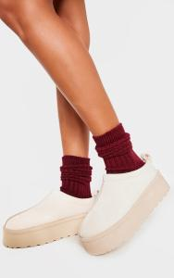
PLT | CNH5430 |  | Grey | Grey Faux Suede Cleated Ankle Boots | SS25TRANS | Footwear | Footwear | CN | Upper: Synthetic Suede Materials Lining And Sock: Synthetic Leather Materials Outer: Other Materials | £25.00 | 512 | £12,800.00
PLT | CNK5122 |  | Brown | Brown Croc Pu Point Toe High Block Heel Knee High Boots | AW24 | Footwear | Footwear | CN | Upper: PU 100 | Sole: Rubber 100 | £60.00 | 556 | £33,360.00 | 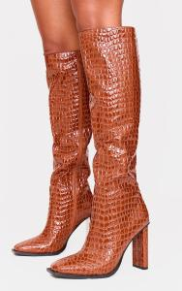
PLT | CNK3364 |  | Camel | Camel Faux Suede Round Toe High Block Stiletto Heeled Boots | AW24 | Footwear | Footwear | CN | Upper: PU 100 | Sole: Rubber 100 | £50.00 | 546 | £27,300.00 | 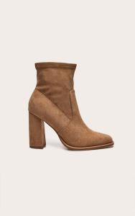
PLT | CNK9412 |  | Grey | Grey Knit Fold Over Chunky Sole Boots | AW24 | Footwear | Footwear | CN | Upper: Textile 100 | Sole: Plastic 100 | £60.00 | 607 | £36,420.00 | 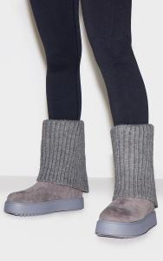
PLT | CNK4090 |  | Black | Black Satin Round Toe Cross Strap High Stiletto Heeled Sandals | AW24 | Footwear | Footwear | CN | Upper: Satin 100 | Sole: Rubber 100 | £30.00 | 680 | £20,400.00
PLT | CNK4022 |  | Black | Black Pu Square Toe Pearl Bow Lace Up Mid Heeled Sandals | AW24 | Footwear | Footwear | CN | Upper: PU 100 | Sole: Rubber 100 | £32.00 | 661 | £21,152.00 | 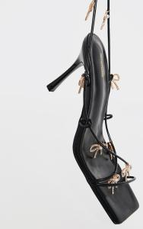
PLT | CNK4093 |  | Silver | Silver PU Square Toe Diamante Spiral Mid Stiletto Heeled Sandals | AW24 | Footwear | Footwear | CN | Upper: PU 100 | Sole: Rubber 100 | £36.00 | 688 | £24,768.00 | 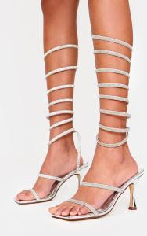
PLT | CNK1721 |  | Brown | Snake Pu Wide Fit Round Toe Knee High Heeled Boots | AW24 | Footwear | Footwear | CN | Upper: PU 100 | Sole: Rubber 100 | £50.00 | 689 | £34,450.00 | 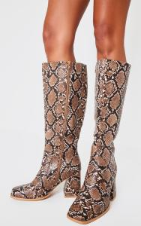
PLT | CNK5215 |  | Beige | Beige PU Point Toe Buckle Harness Detail Knee High Western Boots | AW24 | Footwear | Footwear | CN | Upper: PU 100 | Sole: Rubber 100 | £55.00 | 742 | £40,810.00 | 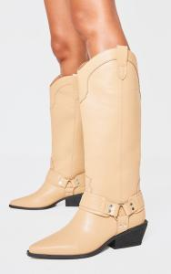
PLT | CNK4020 |  | Black | Black Satin Diamante Ankle Strap High Platform Heeled Sandals | AW24 | Footwear | Footwear | CN | Upper: Satin 100 | Sole: Rubber 100 | £35.00 | 763 | £26,705.00
PLT | CNK5643 |  | Chocolate | Distressed Chocolate PU Point Toe Fold Over High Heeled Calf High Boots | AW24 | Footwear | Footwear | CN | Upper: PU 100 | Sole: Rubber 100 | £55.00 | 751 | £41,305.00 | 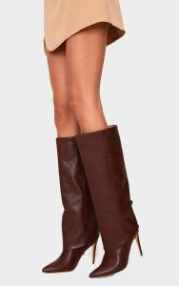
PLT | CNK5682 |  | Camel | Camel Faux Suede Round Toe Ruched Over The Knee Block Heeled Boots | AW24 | Footwear | Footwear | CN | Upper: PU 100 | Sole: Rubber 100 | £60.00 | 863 | £51,780.00 | 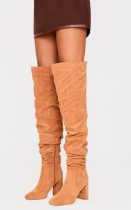
PLT | CNK5618 |  | Chocolate | Chocolate Faux Suede Square Toe High Block Heel Knee High Boots | AW24 | Footwear | Footwear | CN | Upper: Textile 100 | Sole: Rubber 100 | £60.00 | 939 | £56,340.00 | 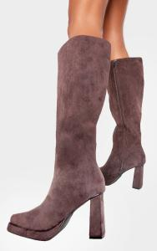
PLT | CNF9055 |  | Cream | Cream Faux Suede Round Toe Thick Flat Sole Ankle Boots | SS25TRANS | Footwear | Footwear | CN | Upper-100% Polyester sock-100% polyurethane outsole-TPR | £35.00 | 1127 | £39,445.00
PLT | CMZ0758 |  | Brown | Brown Faux Suede Round Toe Thick Flat Sole Ankle Boots | SS25TRANS | Footwear | Footwear | CN | Upper: Synthetic Materials Lining And Sock: Synthetic Materials Outer: Other Synthetic Materials | £35.00 | 1380 | £48,300.00 | 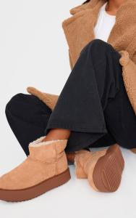
PLT | CNK3371 |  | Black | Black PU Round Toe Buckle Harness Detail Ankle Boots | AW24 | Footwear | Footwear | CN | Upper: PU 100 | Sole: Rubber 100 | £38.00 | 845 | £32,110.00 | 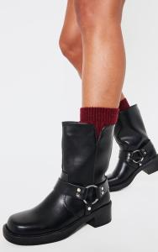
PLT | CNK5123 |  | Black | Black Croc Pu Point Toe High Block Heel Knee High Boots | AW24 | Footwear | Footwear | CN | Upper: PU 100 | Sole: Rubber 100 | £60.00 | 1050 | £63,000.00 | 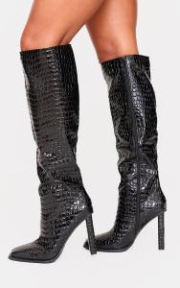
PLT | CNK3955 |  | Black | Black PU Point Toe Satin Beaded Bow High Stiletto Heeled Mules | AW24 | Footwear | Footwear | CN | Upper: PU 100 | Sole: Rubber 100 | £30.00 | 1123 | £33,690.00 | 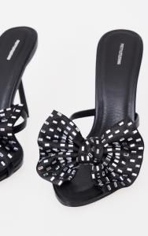
PLT | CNK5214 |  | Black | Black Burnished PU Point Toe Buckle Harness Detail Knee High Western Boots | AW24 | Footwear | Footwear | CN | Upper: PU 100 | Sole: Rubber 100 | £55.00 | 1159 | £63,745.00
PLT | CNK3959 |  | Black | Wide Fit Black Round Toe Thong Satin Rose Heeled Mules | AW24 | Footwear | Footwear | CN | Upper: Polyester 100 | Sole: Rubber 100 | £28.00 | 1291 | £36,148.00 | 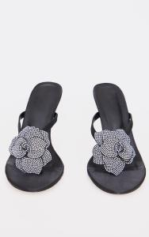
PLT | CNK1688 |  | Gold | Gold Croc Pu Round Heeled Mules | AW24 | Footwear | Footwear | CN | Upper: PU 100 | Sole: Rubber 100 | £24.00 | 1468 | £35,232.00
PLT | CNK1655 |  | Black | Black Round Toe Gold Buckle Chelsea Boots | AW24 | Footwear | Footwear | CN | Upper: PU 100 | Sole: Plastic 100 | £38.00 | 2825 | £107,350.00 | 